Sheet1
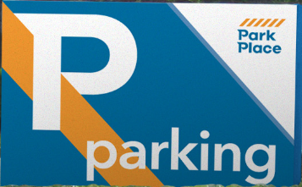
 |  |  |  |  | Location:
 |  |  |  |  | Emp. Name:
 |  |  |  |  | Date of Incident:
 |  |  |  |  | Customer Name of Vehicle #:
 |  |  |  |  | Total Due from Employee:

TO: PARKING COMPANY OF AMERICA INSURANCE DEPARTMENT

I hereby accept responsibility for all cost up to a maximum of $500 incurred by Parking

Company of America (“PCA”) due to the attached incident. I hereby agree that I owe the

amount of $ |  | for Loss |  | , Damage |  | , Theft | (Check One)

I, |  |  |  | hereby authorize PCA’s Payroll Department

to withhold the total amount of $ |  |  |  | from my paychecks. I agree that this amount will

be deducted in installments of $ |  |  |  | per paycheck, beginning with pay period ending

 |  |  | and continue until paid in full.

I agree that if I leave employment with PCA or my employment is terminated for any reason, any
balance remaining due and payable will be deducted from my final paycheck.

I agree that if my final paycheck is not enough to pay for the balance remaining due and payable,
I will pay PCA the difference within thirty (30) days of the date of the final paycheck.

I hereby waive any rights I have to the above-reference amount under the Fair Labor Standards
Act, any state Wage Payment Statute, or any other statutory or civil tort claim and release
Parking Company of America from any liability thereunder.

 | (Employee: Print Full Name)

 | (Employee Signature) |  |  | Date

 | (Manager: Print Full Name)

 | (Manager Signature)

 | Attach copy of Incident Report & any disciplinary action to original signed form: Send to Corporate Insurance.
 | Give copy of signed form to Employee.
 |  |  |  |  |  | Revised March 1, 2018

